Cover page
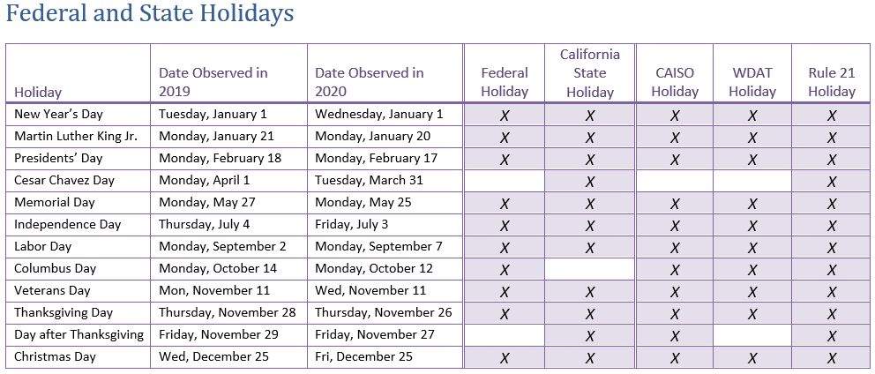
 | Updated as of October 1, 2020

Southern California Edison Company

Rule 21 - Processing Milestone Timelines

 | This list of Interconnection Requests ("IR"s) reflects the processing time of applications for interconnection to SCE's Distribution System made pursuant to SCE's Rule 21.

 | Types of Requests: Of the various types of Interconnection Requests that SCE administers, this report covers the following: - Rule 21 (Non-NEM, Non-Export)
 | Changes to Interconnection Requests Data: The information provided in this document is a snapshot of SCE's Interconnection Queue starting April 1, 2019 and ending as of the date indicated above. The specific information regarding each project may vary as projects may submit requests for modifications in accordance with the terms of the appropriate interconnection process of Rule 21.
 | Contact Information: For questions regarding these timelines or general questions regarding SCE's Interconnection Process please visit http://on.sce.com/gridinterconnections or email SCE at InterconnectionQA@sce.com

 | Rule 21 Tariff Definition for "Business Day": Monday through Friday during business hours, excluding Federal and State Holidays

