Read-me
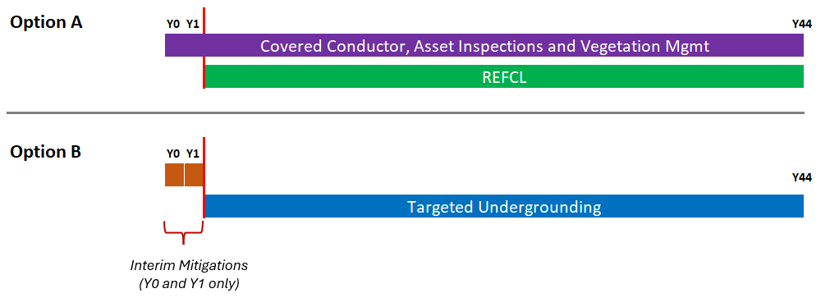
SCE-23-09. Hardening Severe Risk Areas
 | Description
Strive Year | Year the mitigation is completed and is in operation
CIRCUIT_NAME | Circuit Name
TUG_risk_reduction_FIRE_NPV | Wildfire Risk Reduction from TUG converted to Net Present Value MARS score (unitless)
TUG_risk_reduction_PSPS_NPV | PSPS Risk Reduction from TUG converted to Net Present Value MARS score (unitless)
CC/REFCL++_Risk_Reduction_FIRE_NPV_Total | Wildfire Risk Reduction from CC+REFCL++ converted to Net Present Value MARS score (unitless)
CC/REFCL++_Risk_Reduction_PSPS_NPV_Total | PSPS Risk Reduction from CC/REFCL++ converted to Net Present Value MARS score (unitless)
TUG_Risk_Reduction_Total | Total Risk Reduction from TUG (sum wildfire and PSPS risk reduction)
CC/REFCL++_Risk_Reduction_Total | Total Risk Reduction from CC/REFCL++ (sum wildfire and PSPS risk reduction)

Mitigation type and how it is deployed over 45 years is illustrated in the table below. For example, if the strive year in the "Data" tab is 2025, and if CC/REFCL++ is deployed, then CC++ is assumed to be deployed in 2023 and 2024, and CC/REFCL++ is assumed to be deployed in the following 43 years. For the same circuit, if TUG is deployed, then the ++ portion which includes asset inspections and remediation and vegetation management, are assumed to be deployed in 2023 and 2024, and TUG is assumed to be deployed the following 43 years. Overall, the total risk reduction from TUG is higher than CC/REFCL++ (1.6 vs. 1.4). On a circuit-by-circuit basis, the risk reduction from TUG is higher than CC/REFCL++ for 92% of the circuits.

